1.12
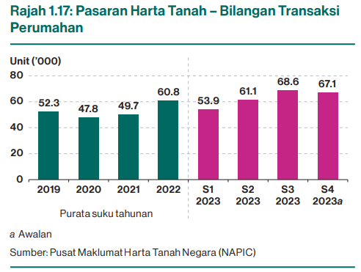
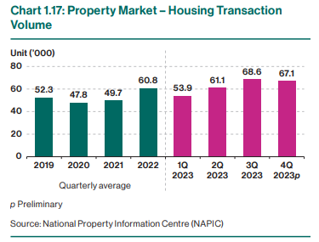
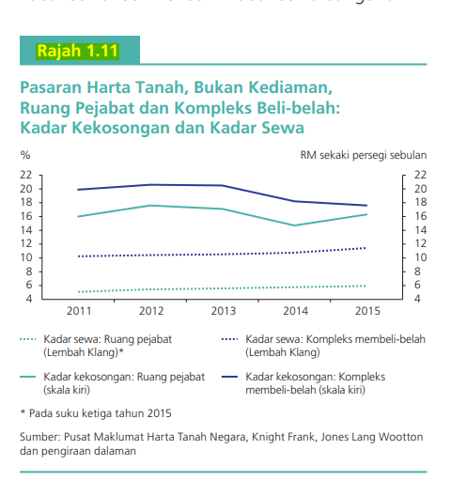
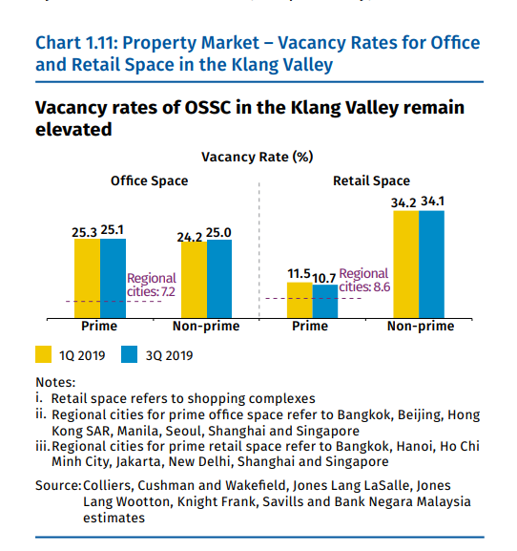
Rajah 1.12: Pasaran Harta Tanah – Kadar Kekosongan Ruang Pejabat dan Kompleks Beli-Belah
Chart 1.12: Property Market – Vacancy Rate of Office Spaces and Shopping Complexes

Sumber: | Pusat Maklumat Harta Tanah Negara (NAPIC) dan anggaran Bank Negara Malaysia
Source: | National Property Information Centre (NAPIC) and Bank Negara Malaysia estimates

* Merujuk kepada purata suku tahunan.
* Refers to quarterly average.

 |  | Kadar Kekosongan (%)
 |  | Vacancy Rate (%)
 |  | 2019* | 2020* | 2021* | 2022* | 2023* | S1 2024 | S2 2024
 |  | 2019* | 2020* | 2021* | 2022* | 2023* | 1Q 2024 | 2Q 2024
Ruang Pejabat | Office Spaces | 24.1 | 25.7 | 28.2 | 28.8 | 27.8 | 28.0 | 28.4
Kompleks Beli-belah | Shopping Complexes | 20.5 | 21.7 | 23.4 | 24.4 | 23.3 | 22.4 | 21.9 | For reference only (FSR 2H2023):

1.15
Rajah 1.15: Sektor Isi Rumah – Komposisi Hutang Mengikut Tujuan
Chart 1.15: Household Sector – Composition of Debt by Purpose

Sumber: Bank Negara Malaysia
Source: Bank Negara Malaysia

Nota: Angka-angka tidak semestinya terjumlah disebabkan oleh penggenapan.
Note: Figures may not add up due to rounding.

 |  | Dis. 2023 | Jun 2024
Komposisi | Composition | Dec. 2023 | Jun. 2024
Harta kediaman | Residential properties | 60.5% | 61.0%
Harta bukan kediaman | Non-residential properties | 5.3% | 5.3%
Sekuriti | Securities | 4.3% | 3.9%
Pembiayaan peribadi | Personal financing | 12.6% | 12.4%
Kenderaan bermotor | Motor vehicles | 13.2% | 13.5%
Kad kredit | Credit cards | 3.0% | 2.9%
Lain-lain | Others | 1.2% | 1.1%

 | Jun 2024
Harta kediaman
Harta bukan kediaman
Sekuriti
Pembiayaan peribadi
Kenderaan bermotor
Kad kredit
Lain-lain

1.20
Rajah 1.20: Pasaran Harta Tanah – Bilangan Transaksi Perumahan
Chart 1.20: Property Market – Housing Transaction Volume

Sumber: Pusat Maklumat Harta Tanah Negara (NAPIC)
Source: National Property Information Centre (NAPIC)

a Awalan
p Preliminary

 |  | Bilangan
 |  | Volume
 |  | 2019 | 2020 | 2021 | 2022 | 2023 | S1 2024 | S2 2024a
 |  | 2019 | 2020 | 2021 | 2022 | 2023 | 1Q 2024 | 2Q 2024p
Purata suku tahunan, Unit ('000) | Quarterly average, Unit ('000) | 52.3 | 47.8 | 49.7 | 60.8 | 62.6 | 62.8 | 59.2

-40.7

